ML-Text
(Figure 1)
ML-Text Item in a Row's Value: |  |  | In ML-Text-Editor-dialog, by default, the system provides an empty row (Row 5 in diagram). See Figure 1.
Language(s): | … Font & Style Settings … |  | When the Language field (Cell B5) is empty, the text field (Cell C5) is dimmed (cannot input).
_________⯆ |  |  | If the user leaves the Row 5 empty (Cells B5 & C5), meaning, the said ML-Text Item is NULL.
 |  |  | If one of the Cell B5 or Cell C5 is not empty, the current dialog cannot be "Saved" (buttom is dimmed).
(Figure 2)
ML-Text Item in a Row's Value:
Language(s): | … Font & Style Settings … |  | Figure 2: After the user edited the ML-Text Item.
_English__⯆ | This is the English text - Line 1 This is the English text - Line 2 | X | If both B10 and C10 are not empty, the system adds a Delete symbol "X", as shown in Figure 2. If both B10 and C10 are not empty, the system adds a new empty row (Row 11), as shown in Figure 2.
_________⯆ |  |  | The row 11 behaves the same as the row 5, it contains no data until the user edits it.
 |  |  | Note: The rows 10/11/12… are "Sorted" by their corresponding Languages, according to the following sorting order: In All-DDT, all children rows of "Language" are listed in a particular order, this is the exact sorting order to follow.

Above is the UI design of 'ML-Text Editor'

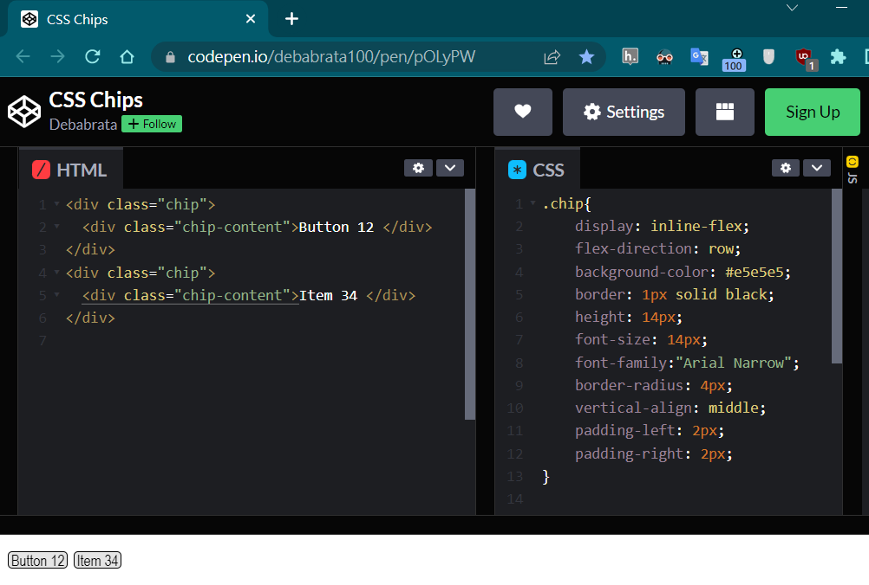

Above is the UI design of all the Buttons and Items in the system (displayed as Chips with minimal padding to save space).

